FORM
 | Project Service Request (PSR) Form
1) Project Service Request Information |  |  |  |  |  |  | Project Categorization |  |  |  | Severity row from RAM |  |  |  |  | Remark
 |  |  |  |  |  |  | 01 Turnaround/ Overhaul |  |  |  | 1 | 2 | 3 | 4 | 5
Initiator Name |  |  | Plant VP Approver |  |  |  | 02 Replacement |  | Plant | A-P1 | 300,000 | 3,000,000 | 30,000,000 | 300,000,000 | 3,000,000,000 | GPC
 |  |  |  |  |  |  | 03 Environment |  |  | A-P2 | 300,000 | 3,000,000 | 30,000,000 | 300,000,000 | 3,000,000,000 | GPC
Project Categorization / Investment Type |  |  | Plant | A-P1 |  |  | 04 Safety |  |  | O-P1.1 | 300,000 | 3,000,000 | 30,000,000 | 300,000,000 | 3,000,000,000 | GPC
 |  |  |  |  |  |  | 05 Law & Regulation |  |  | O-P1.2 | 300,000 | 3,000,000 | 30,000,000 | 300,000,000 | 3,000,000,000 | GPC
Initiation Date |  |  | Area / Unit |  |  |  | 06 Maintain Reliability |  |  | O-P2.1 | 300,000 | 3,000,000 | 30,000,000 | 300,000,000 | 3,000,000,000 | GPC
 |  |  |  |  |  |  | 08 CSR |  |  | O-P2.2 | 300,000 | 3,000,000 | 30,000,000 | 300,000,000 | 3,000,000,000 | GPC
Project Title |  |  |  |  |  |  | 09 Welfare |  |  | O-P2.3 | 300,000 | 3,000,000 | 30,000,000 | 300,000,000 | 3,000,000,000 | GPC
 |  |  |  |  |  | YES | 10 Technical Support for Lab& Quality |  |  | O-P3 | 300,000 | 3,000,000 | 30,000,000 | 300,000,000 | 3,000,000,000 | GPC
Required Project Engineer of TPX? |  |  |  | Project Priority |  | NO | 11 IT CAPEX |  |  | U-P1 | 300,000 | 3,000,000 | 30,000,000 | 300,000,000 | 3,000,000,000 | GPC
 |  | No |  |  |  |  | 12 Technical Support for R&D |  |  | R-P1 | 300,000 | 3,000,000 | 30,000,000 | 300,000,000 | 3,000,000,000 | GPC
Background / Situation / Problem / Opportunity |  |  |  |  |  |  | 13 Non-Mandatory - Other |  |  | R-RM | 300,000 | 3,000,000 | 30,000,000 | 300,000,000 | 3,000,000,000 | GPC
 |  |  |  |  |  |  | 15 Operational Excellence (budget <=300MB) |  |  | U-CM | 300,000 | 3,000,000 | 30,000,000 | 300,000,000 | 3,000,000,000 | GPC
 |  |  |  |  |  |  | 16 Energy Saving (budget <=300MB) |  |  | E-GC1.1 | 100,000 | 1,000,000 | 10,000,000 | 100,000,000 | 1,000,000,000 | BU
 |  |  |  |  |  |  | 17 Marketing Excellence (budget <=300MB) |  |  | E-GC1.2 | 100,000 | 1,000,000 | 10,000,000 | 100,000,000 | 1,000,000,000 | BU
 |  |  |  |  |  |  | 18 R&D Excellence (budget <=300MB) |  |  | GGC | 100,000 | 1,000,000 | 10,000,000 | 100,000,000 | 1,000,000,000 | BU
 |  |  |  |  |  |  | 19 Chain integration (budget <=300MB) |  |  | P-LD | 100,000 | 1,000,000 | 10,000,000 | 100,000,000 | 1,000,000,000 | BU
 |  |  |  |  |  |  | 20 Debot/Expansion (budget <=300MB) |  |  | P-LL1.1 | 100,000 | 1,000,000 | 10,000,000 | 100,000,000 | 1,000,000,000 | BU
Project Objectives |  |  |  |  |  |  | 21 New derivative (budget <=300MB) |  |  | P-LL1.2 | 100,000 | 1,000,000 | 10,000,000 | 100,000,000 | 1,000,000,000 | BU
 |  |  |  |  |  |  | 22 Operational Excellence (budget >300MB) |  |  | P-HD1.1 | 100,000 | 1,000,000 | 10,000,000 | 100,000,000 | 1,000,000,000 | BU
 |  |  |  |  |  |  | 23 Energy Saving (budget >300MB) |  |  | P-HD1.2 | 100,000 | 1,000,000 | 10,000,000 | 100,000,000 | 1,000,000,000 | BU
 |  |  |  |  |  |  | 24 Marketing Excellence (budget >300MB) |  |  | P-HD2 | 100,000 | 1,000,000 | 10,000,000 | 100,000,000 | 1,000,000,000 | BU
 |  |  |  |  |  |  | 25 R&D Excellence (budget >300MB) |  |  | P-PS | 10,000 | 100,000 | 1,000,000 | 10,000,000 | 100,000,000 | Small BU
 |  |  |  |  |  |  | 26 Chain integration (budget >300MB) |  |  | PH-P1.1 | 100,000 | 1,000,000 | 10,000,000 | 100,000,000 | 1,000,000,000 | BU
Proposal / Project Scope |  |  |  |  |  |  | 27 Debot/Expansion (budget >300MB) |  |  | PH-P1.2 | 100,000 | 1,000,000 | 10,000,000 | 100,000,000 | 1,000,000,000 | BU | Attachment 1) Process Description/Blockflow diagram/PFD/Marked-up P&ID
 |  |  |  |  |  |  | 28 New derivative (budget >300MB) |  |  | PH-P2 | 100,000 | 1,000,000 | 10,000,000 | 100,000,000 | 1,000,000,000 | BU | Attachment 2) Plot Plan/Site Photos
 |  |  |  |  |  |  | 29 Map ta phut retrofit |  |  | G-OL1.1 | 100,000 | 1,000,000 | 10,000,000 | 100,000,000 | 1,000,000,000 | BU | Attachment 3) Reference Incident Case (for J-Factor)
Key Attachments (Please tick if applicable) |  |  |  |  |  |  | 30 Growth Investment (budget <=300MB) |  |  | G-OL1.2 | 100,000 | 1,000,000 | 10,000,000 | 100,000,000 | 1,000,000,000 | BU | Attachment 4) Benefit Calculation (for %IRR)
Attachment 1) Process Description/Blockflow diagram/PFD/Marked-up P&ID |  |  |  |  |  |  | 31 Growth Investment (budget >300MB) |  |  | T-TA
Attachment 2) Plot Plan/Site Photos |  |  |  |  |  |  | 32 M&A |  |  | Common | 300,000 | 3,000,000 | 30,000,000 | 300,000,000 | 3,000,000,000 | GPC
Attachment 3) Reference Incident Case (for J-Factor) |  |  |  |  |  |  | 33 CVC
Attachment 4) Benefit Calculation (for %IRR)

Assigned Project Manager/Engineer |  | Plan Finish Date |  | Proposed Budget Source
Note: Please do complete all fields before approval by Line Manager |  |  |  | Other (Please specify)

2.1) BAU (Safety, Environment and Law & Regulation) Project Categorization
RAM Assessment (Criticality) | Medium |  | (if RAM assessment result is Very low or Low, No investment)
Base Risk, the risk without any modifications
Potential Consequence Cost (Enter RAM Cost from below or enter own calculation as per detail) |  |  |  |  | 30,000,000 |  | Project Priority
RAM translator, enter severity Number from RAM | 3 | RAM eq Cost | 30,000,000 | Baht(฿) |  |  | Low
Annual Likelihood (Use drop down menu or enter own calculation) |  |  |  |  | #N/A |  | Medium
Exposure Factor (Use drop down menu or enter own calculation) |  |  |  |  | #N/A |  | High
Calculated annual Probability |  |  |  |  | #N/A |  | Extreme
Annualized Base Risk (฿/year) |  |  |  |  | #N/A
Risk of Alternative |  |  |  |  |  |  | Propose budget Source
Effectiveness of alternative |  |  | Reduction in Risk |  | #N/A |  | ER (Engineering Request) Budget
 |  |  |  |  |  |  | Maintenance CAPEX Budget
Annualized Risk of Alternative (฿/year) |  |  |  |  | #N/A |  | CAPEX Reserved Budget (PIM)
Cost of Alternative |  |  |  |  |  |  | CAPEX Reserved Budget (CIM)
Project Cost of Alternative (฿) |  |  |  |  | - |  | CEO Contingency Budget
Production Loss during Implementation (฿) |  |  |  |  | - |  | MAX Infinity Budget
Filling in No. 2.1 or 2.2 is depended on Project Categorization
Increase in Operating Costs or other economic penalties (฿) |  |  |  |  | - |  | Innovation Budget
Decrease in Operating Costs or other economic benefits (฿) |  |  |  |  | - |  | Major Project Budget
Project Life Time to convert Opex/Penalties into once off Cost(years) |  |  |  |  | - |  | Other
Pay Out Time Investment Criteria, to convert benefits into economically justifiable Cost (years) |  |  |  |  | -
Cost of Risk Reduction (฿) |  |  |  |  | 0
Annualized Base Risk (฿/year) |  |  |  |  | #N/A
Annualized Risk of Alternative (฿/year) |  |  |  |  | #N/A |  | RAM Assessment
Cost of Risk Reduction (฿) |  |  |  |  | 0 |  | Very low
Justification Factor |  |  |  |  | #N/A |  | Low
2.2) Growth or Sustain Core or BAU (Maintain Reliability) Project Categorization |  |  |  |  |  |  | Medium
Total Investment Cost (฿) |  |  |  |  | 1,000,000 |  | High
Project Starting Year |  |  |  |  | 2020 |  | Extreme
Project Completion Year |  |  |  |  | 2021
Residual Value (฿) |  |  |  |  | 100,000 |  | Annual Likelihood | Factor
Utilities Cost (฿/year) |  |  |  |  | 100,000 |  | Expected to happen | 1
Labour Cost (฿/year) |  |  |  |  | 100,000 |  | More likely to happen, than not to. | 0.7
Maintenance Cost (% of total investment cost) |  |  |  |  | 1.5% |  | Fifty fifty chance | 0.5
Catalyst & Chemicals Cost (฿/year) |  |  |  |  | 100,000 |  | More likely not to happen | 0.2
Benefits (฿/year) |  |  |  |  | 1,000,000 |  | Clearly possible | 0.1
Profit (฿/year) |  |  |  |  | 685,000 |  | Just Possible | 0.01
Simple Payback (Year) |  |  |  |  | 2.83 |  | Unlikely | 0.001
IRR |  |  |  |  | 38.52% |  | Improbable | 0.0001
NPV |  |  |  |  | 3,547,517
WACC (as per latest announced Corporate Assumption) |  |  |  |  | 8.00%
 |  |  |  |  |  |  | Exposure Factor | Factor
F-(TP-PM)-P-(TP-PM)-001(OE)-01(EN) |  |  |  |  | Rev.7 4 Sep 2019 |  | Continuous | 1
 |  |  |  |  |  |  | Frequent (Daily) | 0.6
 |  |  |  |  |  |  | Occasional (weekly) | 0.3
 |  |  |  |  |  |  | Unusual (monthly) | 0.2
 |  |  |  |  |  |  | Rare (a few times per year) | 0.1
 |  |  |  |  |  |  | Very Rare (Yearly or less) | 0.05

 |  |  |  |  |  |  | Effectiveness of alternative | Factor
 |  |  |  |  |  |  | Eliminates the Risk 100% | 1
 |  |  |  |  |  |  | Very effective in reducing Risk 90% | 0.9
 |  |  |  |  |  |  | Effective in reducing the Risk 70% | 0.7
 |  |  |  |  |  |  | Halving the Risk 50% | 0.5
 |  |  |  |  |  |  | Reduces Risk partly 20% | 0.2
 |  |  |  |  |  |  | No change in risk 0% | 0

J factor RAM
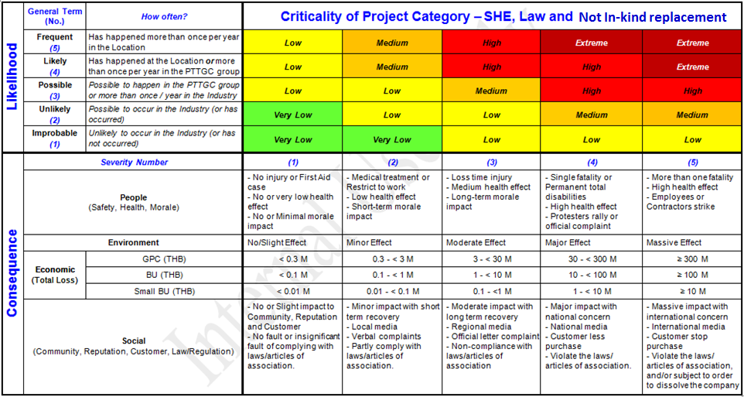
Not In-kind replacement

Att 1) Blockflow, PFD, P&ID
***Example***
(Please delete and replace with data of your Project)
Attachment 1) Process Description/Blockflow Diagram/Process Flow Diagram/Marked-up P&ID
 | **Please insert native file if applicable**
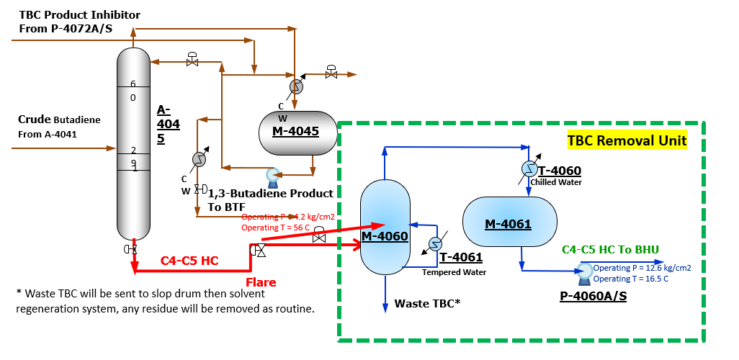
 | Insert > Text > Object > Create from file >

 | Browse > "Select file" > Insert >

 | Display as icon > OK

 |  | Example
 | (Please delete and replace with data of your Project)

Att 2) Plot Plan, Site Photos
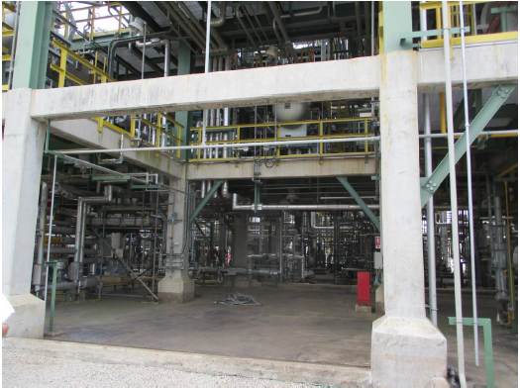
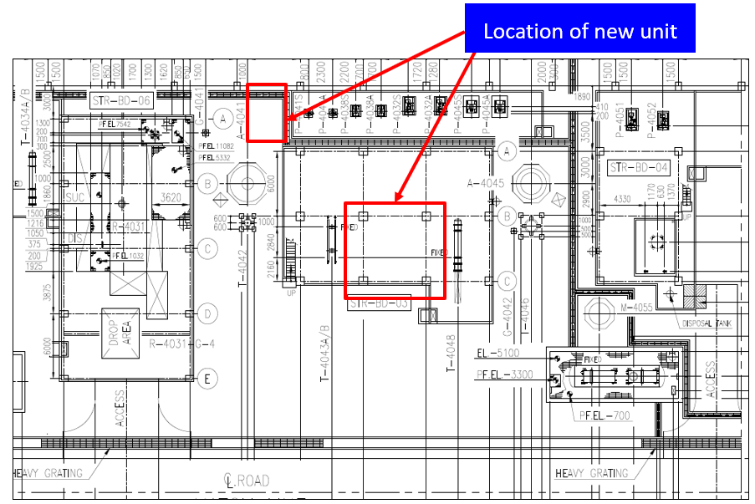
Attachment 2) Plot Plan/Site Photos
 | **Please insert native file if applicable**

 | Insert > Text > Object > Create from file >

***Example***
(Please delete and replace with data of your Project)
 | Browse > "Select file" > Insert >
Plot Plan
 | Display as icon > OK

 |  | Example
 | (Please delete and replace with data of your Project)

Att 3) Ref. Incident Case
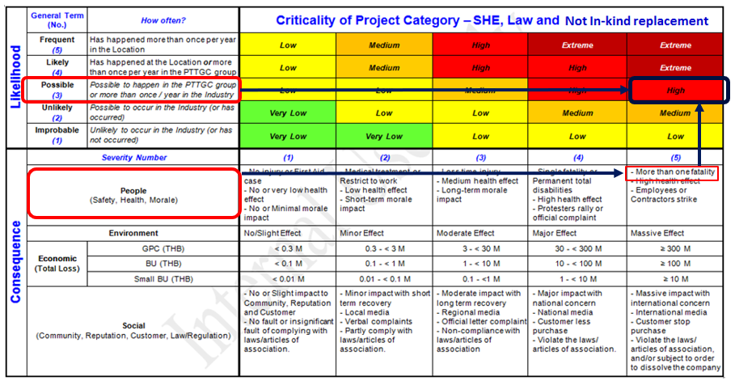
***Example***
(Please delete and replace with data of your Project)
Attachment 3) Reference Incident Case (for J-Factor)
 | **Please insert native file if applicable**

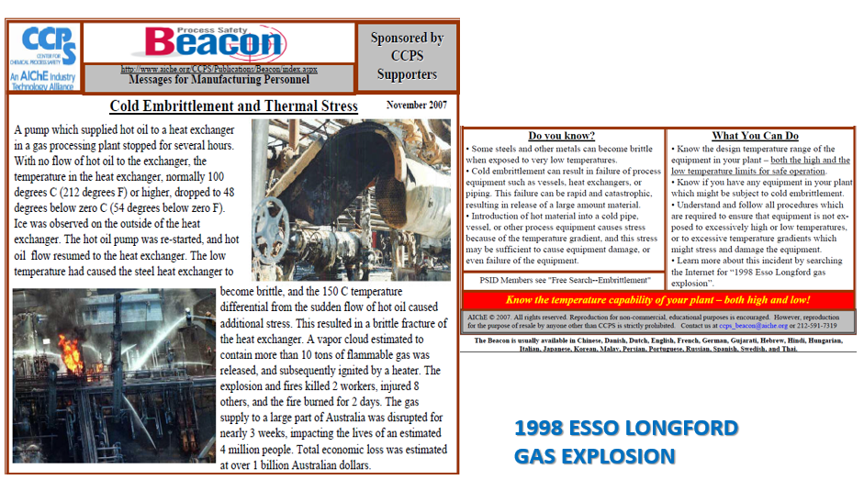
 | Insert > Text > Object > Create from file >

Incident Case
 | Browse > "Select file" > Insert >

 | Display as icon > OK

 |  | Example
 | (Please delete and replace with data of your Project)

Att 4) Benefit Cal.
***Example***
(Please delete and replace with data of your Project)
Attachment 4) Benefit Calculation (for %IRR)

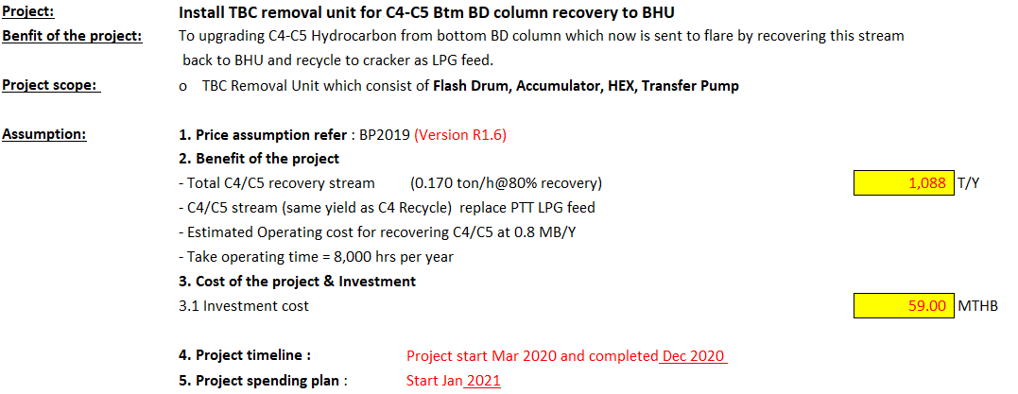

 | =(0.17)*0.8*(8000)

 |  |  | **Please insert native file if applicable**

 |  |  | Insert > Text > Object > Create from file >

Benefit Cal
 |  |  | Browse > "Select file" > Insert >

 |  |  | Display as icon > OK

 |  |  |  | Example
 |  |  | (Please delete and replace with data of your Project)

 | =C4/C5 value@LPG PTT replacement x Total C4/C5 recovery stream
 | =(C4 recyle value@Export tier - PTT LPG margin@Export tier) x (Total C4/C5 recovery stream)
 | =(728-240) x (1089)/10^6
 | 0.53 | MUSD/y
 | 17,218,397 | THB/y

- Show how the benefit figure (e.g. 17.2 MB) is roughly calculated
- Show all the related parameters used in calculation

Example
 | Project Service Request (PSR) Form
1) Project Service Request Information

Initiator Name | Onteera Y <O-P2-TE/5843> |  | Plant VP Approver | Sombat Si <O-P2/5800>

Project Categorization / Investment Type | 06 Maintain Reliability |  | Plant | O-P2.3

Initiation Date | 01.06.2019 |  | Area / Unit

Project Title | Install TBC removal unit for C4-C5 Bottom BD column recovery to BHU
 |  |  |  |  |  | YES
Required Project Engineer of TPX? | YES |  |  | Project Priority | High | NO
 |  | No
Background / Situation / Problem / Opportunity | Since plant startup, C4-C5 bottom BD column cannot be sent to A-210 as original design because of fouling concern at A-210. C4-C5 Bottom BD column cannot be sent to BHU (Butadiene Hydrogenation Unit) neither because this stream contains TBC (product inhibitor) which is the poison to catalyst. Then C4-C5 Bottom BD column has to be sent to flare continuously. By sending C4-C5 Bottom BD column directly to flare, the company loss approx. 13.5 MTHB/year. In order to recover C4-C5 and not to loss 13.5 MTHB/year, TBC in this stream need to be removed first. Then C4-C5 can be recovered and send to BHU.

Project Objectives | The objective is to recover C4-C5 and reduce the use of LPG feed which the company can save approx. 13.5 MTHB/year.

Proposal / Project Scope | - TBC Removal Unit (consisting of Flash Drum, Accumulator, Condenser, Re-boiler HEX, Transfer Pump) - Piping work - Instrument (Control Valve, Field Instrument, DCS work) - Electrical work (Power Supply, other facility) - Civil work (Foundation, Structure)

Key Attachments (Please tick if applicable)
Attachment 1) Process Description/Blockflow diagram/PFD/Marked-up P&ID
Attachment 2) Plot Plan/Site Photos
Attachment 3) Reference Incident Case (for J-Factor)
Attachment 4) Benefit Calculation (for %IRR)

Assigned Project Manager/Engineer | Tassan J <TP-PP-PA/5708> | Plan Finish Date | 30.12.2020 | Proposed Budget Source | CAPEX Reserved Budget (PIM)
Note: Please do complete all fields before approval by Line Manager |  |  |  | Other (Please specify)

2.1) BAU (Safety, Environment and Law & Regulation) Project Categorization
RAM Assessment (Criticality) |  |  | (if RAM assessment result is Very low or Low, No investment)
Base Risk, the risk without any modifications
Potential Consequence Cost (Enter RAM Cost from below or enter own calculation as per detail) |  |  |  |  | #N/A
RAM translator, enter severity Number from RAM |  | RAM eq Cost | #N/A | Baht(฿)
Annual Likelihood (Use drop down menu or enter own calculation) |  |  |  |  | #N/A
Exposure Factor (Use drop down menu or enter own calculation) |  |  |  |  | #N/A
Calculated annual Probability |  |  |  |  | #N/A
Annualized Base Risk (฿/year) |  |  |  |  | #N/A
Risk of Alternative
Effectiveness of alternative |  |  | Reduction in Risk |  | #N/A

Annualized Risk of Alternative (฿/year) |  |  |  |  | #N/A
Cost of Alternative
Project Cost of Alternative (฿) |  |  |  |  | -
Production Loss during Implementation (฿) |  |  |  |  | -
Filling in No. 2.1 or 2.2 is depended on Project Categorization
Increase in Operating Costs or other economic penalties (฿) |  |  |  |  | -
Decrease in Operating Costs or other economic benefits (฿) |  |  |  |  | -
Project Life Time to convert Opex/Penalties into once off Cost(years) |  |  |  |  | -
Pay Out Time Investment Criteria, to convert benefits into economically justifiable Cost (years) |  |  |  |  | -
Cost of Risk Reduction (฿) |  |  |  |  | 0
Annualized Base Risk (฿/year) |  |  |  |  | #N/A
Annualized Risk of Alternative (฿/year) |  |  |  |  | #N/A
Cost of Risk Reduction (฿) |  |  |  |  | 0
Justification Factor |  |  |  |  | #N/A
2.2) Growth or Sustain Core or BAU (Maintain Reliability) Project Categorization
Total Investment Cost (฿) |  |  |  |  | -
Project Starting Year
Project Completion Year
Residual Value (฿) |  |  |  |  | -
Utilities (฿/year) |  |  |  |  | -
Labour (฿/year) |  |  |  |  | -
Maintenance (% of total investment cost) |  |  |  |  | 1.5%
Catalyst & Chemicals (฿/year) |  |  |  |  | -
Benefits (฿/year) |  |  |  |  | -
Profit (฿/year) |  |  |  |  | -
Simple Payback (Year)
IRR
NPV
WACC (as per latest announced Corporate Assumption) |  |  |  |  | 9.73%

F-(TP-PM)-P-(TP-PM)-001(OE)-01(EN) |  |  |  |  | Rev.7 4 Sep 2019

PSR Instruction
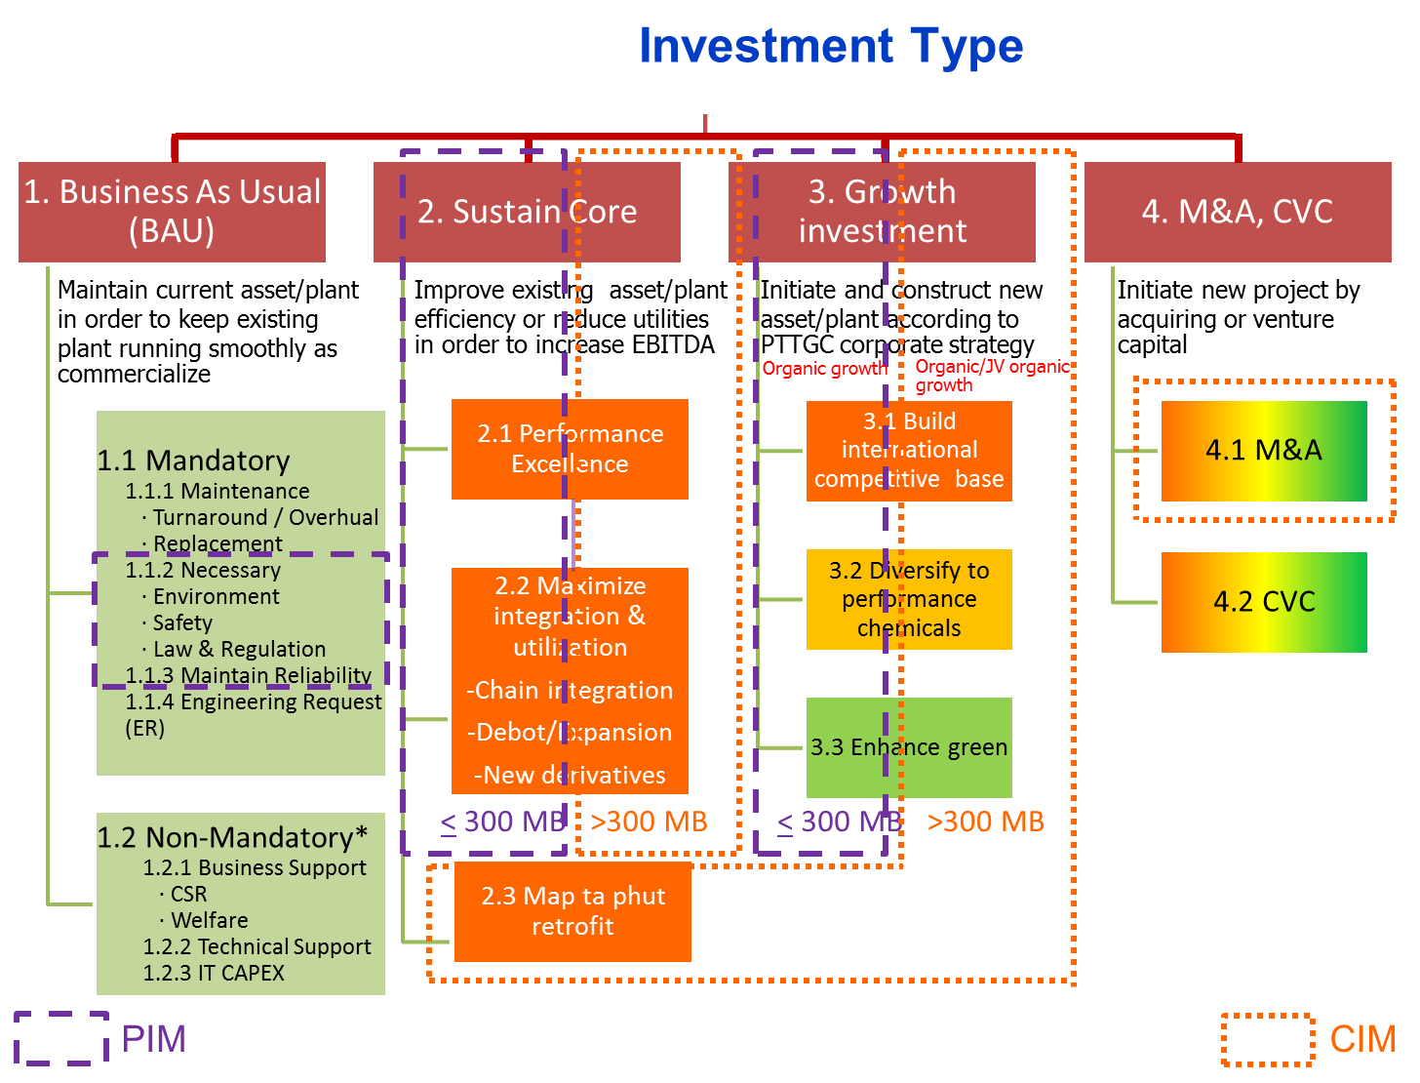
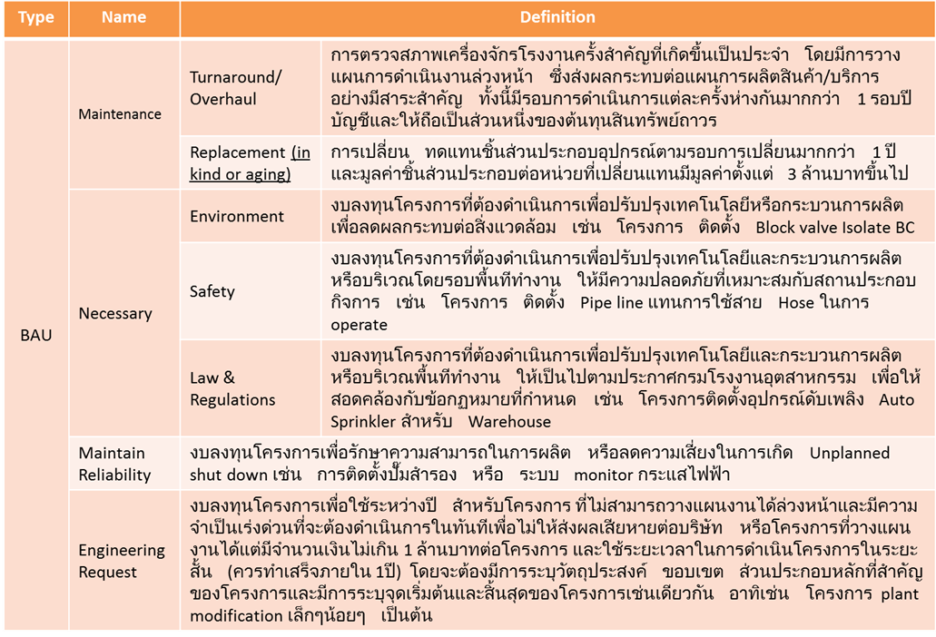
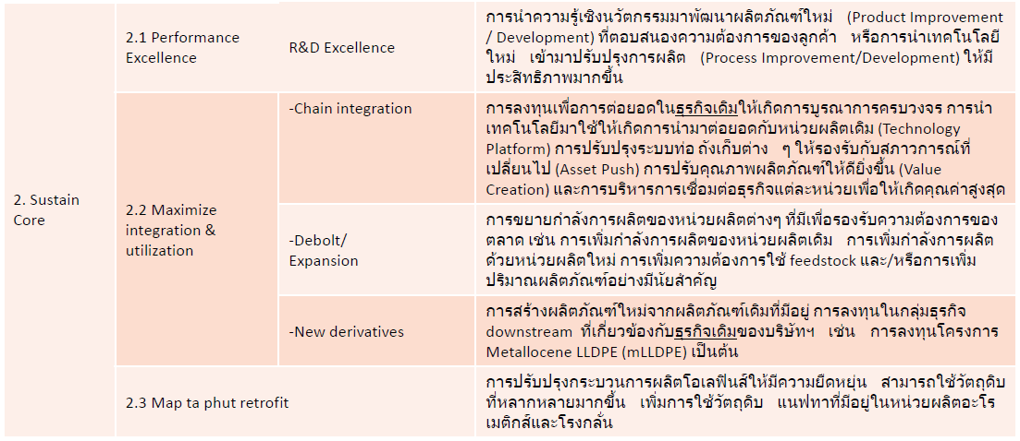
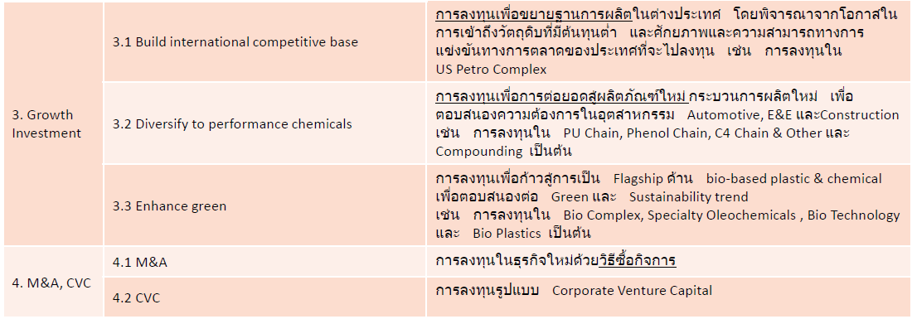
General Entry Information

RAM Assessment:
Enter number 1-5 as result of RAM matrix assessment 'Severity'

Definition of Terms used in calculating the J-Factor
Severity Number
Threat that might happen causing highest consequences to PTTGC (People, Environment, Economic loss, Social)
Likelihood
Chance that the threat will occur when being exposed for a year.
Example: If it happens one year out of ten years and you are exposed all the time then the likelihood is 10%
Exposure
The degree of exposure we have to a particular threat
For example: A pump running 10% of time would have 10% exposure
Probability
Chance that the threat actually happens.
Example: When you do something that has 10% likelihood of going wrong and you do it 10% of the time the probability of the thing going wrong is 1%
Risk
The probable consequence of a threat.
Example if the Probability of threat with a consequence of 100 $ is 1%, then the risk is 1$
Base Risk
The risk of doing nothing and continue as is
Risk of Alternative
The risk after the proposed change has been done
Cost of Risk Reduction
The Cost that has to be justified by the Risk Reduction done by implementing alternative. Costs that can be motivated by Economic Benefits are not included.
Plant Investment Justification Criteria
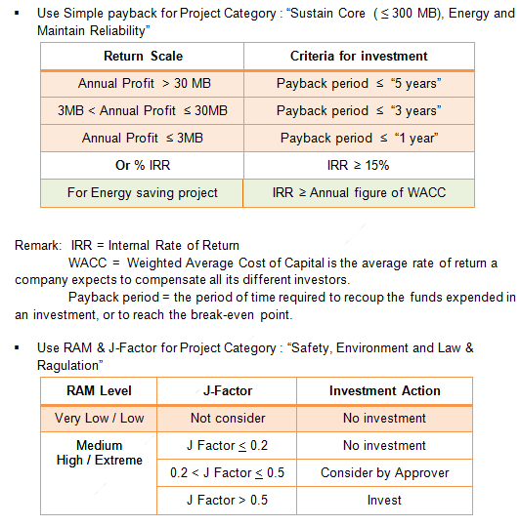

Investment type and definations.

J factor manual
Justification Factor Calculation
 | Change | Operator patrol bridge to prevent snake

 | Initiator |  | Any Person
 | Date |  | Any Time
Justification Factor = Annualised Base Risk - Annualised Risk of Alternative
Cost of Risk Reduction

Risk = Probability of an event occurring x Consequence of Event
Probability = Likelihood of an event when exposed x Exposure to the event
= Likelihood Factor x Exposure Factor

 |  |  |  |  |  |  |  |  | Project cost
 | Likelihood Factor
 | Key Word | Likelihood | Factor
 | Expected to happen | 100% | 1 |  |  | Cost of risk*
 | More likely to happen, than not to. | 70% | 0.7 |  |  | Likelihood | Remaining Risk
 | Fifty fifty chance | 50% | 0.5 |  |  |  | 10%
 | More likely not to happen | 20% | 0.2
 | Clearly possible | 10% | 0.1 |  |  |  | Effcective
 | Just Possible | 1.00% | 0.01 |  |  |  | 90% | 90%
 | Unlikely | 0.10% | 0.001
 | Improbable | 0.01% | 0.0001
 | Exposure Factor |  |  |  |  | Annualised | Annualised | Effectiveness | Cost of risk
 | Key Word | Exposure | Factor |  |  | Base Risk | Risk of | of althernative | Reduction
 | Continuous | 100% | 1 |  |  |  | Alternative
 | Frequent (Daily) | 60% | 0.6
J-Factor > 0.2
 | Occasional (weekly) | 30% | 0.3
 | Unusual (monthly) | 20% | 0.2
 | Rare (a few times per year) | 10% | 0.1
 | Very Rare (Yearly or less) | 5% | 0.05

Annualised Base Risk = Potential consequence Cost * annual Probability of consequence

 | Base Risk, the risk without any modifications
 | Potential Consequence Cost (Enter RAM Cost from below or enter own calculation as per detail) |  |  |  | 10,000,000
 | RAM translator, enter severity row from RAM | 3 | RAM eq Cost | 10,000,000
 | Annual Likelihood (Use drop down menu or enter own calculation) |  |  | 4 | 0.2
 | Exposure Factor (Use drop down menu or enter own calculation) |  |  | 2 | 0.6
 | Calculated annual Probability |  |  |  | 0.12
 | Annualised Base Risk (฿/year) |  |  | 1,200,000

Annualised Risk of Alternative = Remaining annualised Risk with Alternative solution

 | Risk of Alternative
 | Effectiveness of alternative |  | 2 | Reduction in Risk | 90%

 | Annualised Risk of Alternative (฿/year) |  |  | 120,000

Cost of Risk Reduction = Total Cost of Initiative minus Cost that can be Justified by using the current cut off criteria for economic investments
*Note it is recommended that Project life be assumed at 10 years for Opex increase. For decrease in Opex the economically motivated cost can be deducted from Total Cost of Alternative to get the Cost of Risk Reduction. The economically justified cost is the annual benefit x Pay out Time investment cut off criteria.

 | Cost of Alternative
 | Project Cost of Alternative (฿) |  |  |  | 3,000,000
 | Production Loss during Implementation (฿) |  |  |  | 0
 | Increase in Operating Costs or other economic penalties( ฿) |  |  |  | 0
 | Decrease in Operating Costs or other economic benefits ( ฿) |  |  |  | 0
 | Project Life Time to convert Opex/Penalties into once off Cost(years) |  |  |  | 0
 | Pay Out Time Investment Criteria, to convert benefits into economically justifiable Cost (years) |  |  |  | 0
 | Cost of Risk Reduction (฿) |  |  |  | 3,000,000

 | Annualised Base Risk (฿/year) |  |  | 1,200,000.00
 | Annualised Risk of Alternative (฿/year) |  |  | 120,000.00
 | Cost of Risk Reduction (฿) |  |  | 3,000,000.00
 | Justification Factor |  |  | 0.36
 | Equivalent Pay Out Time, 1/J (years) |  |  | 2.8
Justification Factor = Annualised Base Risk - Annualised Risk of Alternative
Cost of Risk Reduction
J Factor < 0.2 Probably not Justifiable
J Factor 0.2 to 0.5 May be Justifiable
J factor > 0.5 Clearly Justifiable

